Community-Based Coverage Areas
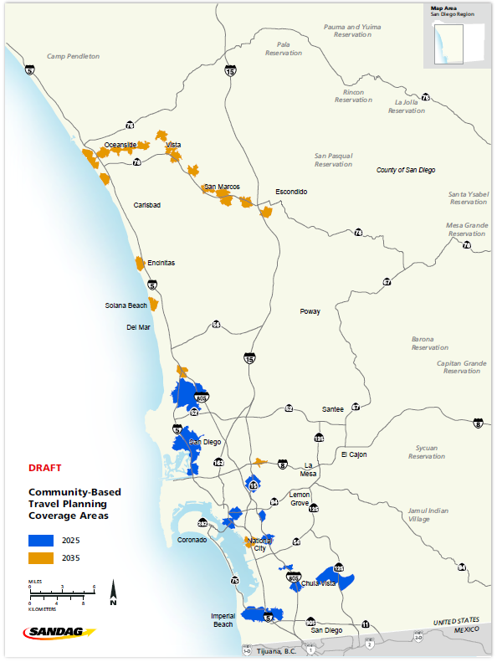
Figure of 2035 and 2050 Community-Based Travel Planning Coverage areas pending

Name | OppArea | ShedType | yr | total_households
Mid-Coast | Mid-Coast | Drive | 2025 | 35479
Barrio Logan Transit Station | Other | Bike | 2025 | 1849
City Heights Mid-City Centerline | Other | Bike | 2025 | 11389
Iris Trolley - Coronado Ave | Other | Bike | 2025 | 14654
South Bay Rapid | South Bay Rapid | Bike | 2025 | 25288
Total |  |  |  | 88659

Coastal Rail Trail | Coastal Rail Trail | Bike | 2035 | 6391
Inland Rail Trail | Inland Rail Trail | Bike | 2035 | 23318
8th Street Station | Other | Bike | 2035 | 1921
Grantville Trolley Station | Other | Bike | 2035 | 5409
Total |  |  |  | 37039

Source: SANDAG Preliminary Draft Series 14 Regional Growth Forecast (14.1.1)
Prepared on: August 2, 2018
NOTE: These data represent a first preliminary draft and should only be used for information purposes.
CBTP coverage areas are subject to change based on the selection of a preferred transportation network scenario

